Overview
Name | Industry | Stock 1 |  | Stock 2
Name | Industry | Stock 1 |  | Stock 2
Rachel | Energy | Suncor Energy Inc. |  | Enbridge Inc.
Pranil | Technology | Blackberry Telecommunications |  | Shopify Inc.
Ryan | Finance | TD |  | Royal Bank
Jewel | Real Estate | H&R Real Estate |  | Brookfield Property Partners

Part 2: | Stock
Central Tendency | SU | ENB | BT | SI | TD | RB | HRE | BPP
Mean | 0.61% | 0.43% | 0.38% | 6.66% | 0.61% | 0.56% | 0.38% | 0.06%
Median | 2.17% | 0.70% | -0.19% | 7.86% | 0.82% | 0.82% | 0.09% | 0.09%
Mode | #N/A | #N/A | #N/A | #N/A | N/A | N/A | #N/A | #N/A
Variability
IQR | 9.40% | 6.25% | 17.25% | 14.75% | 4.93% | 3.93% | 3.01% | 6.66%
Standard Deviation | 6.29% | 5.66% | 11.51% | 11.30% | 3.93% | 3.60% | 2.88% | 4.93%
Coefficient Variation | 1037.50% | 1309.27% | 3038.66% | 169.58% | 644.19% | 643.63% | 758.92% | 7832.40%
Extrema | SU | ENB | BT | SI | TD | RB | HRE | BPP
High | 12.67% | 18.50% | 23.79% | 23.55% | 9.05% | 8.42% | 8.04% | 9.13%
Low | -11.64% | -9.37% | -24.07% | -19.60% | -6.96% | -4.20% | -4.43% | -10.61%
Range | 24.31% | 27.87% | 47.86% | 43.15% | 16.01% | 12.62% | 12.46% | 19.75%
Distribution
Difference between mean and median: | 1.56% | 0.27% | 0.57% | 1.19% | 0.21% | 0.26% | 0.29% | 0.03%
Frequency
Highest (used to determine kurtosis) | 9.00 | 16.00 | 7.00 | 8.00 | 16.00 | 17.00 | 17.00 | 12.00

 |  |  |  | Class Interval | Bins
 |  |  |  | -25.00% - under -20.00% | -20.01%
 |  |  |  | -20.00% - under -15.00% | -15.01%
 |  |  |  | -15.00% - under -10.00% | -10.01%
 |  |  |  | -10.00% - under -5.00% | -5.01%
 |  |  |  | -5.00% - under 0.00% | -0.01%
 |  |  |  | 0.00% - under 5.00% | 4.99%
 |  |  |  | 5.00% - under 10.00% | 9.99%
 |  |  |  | 10.00% - under 15.00% | 14.99%
 |  |  |  | 15.00% - under 20.00% | 19.99%
 |  |  |  | 20.00% - under 25.00% | 24.99%
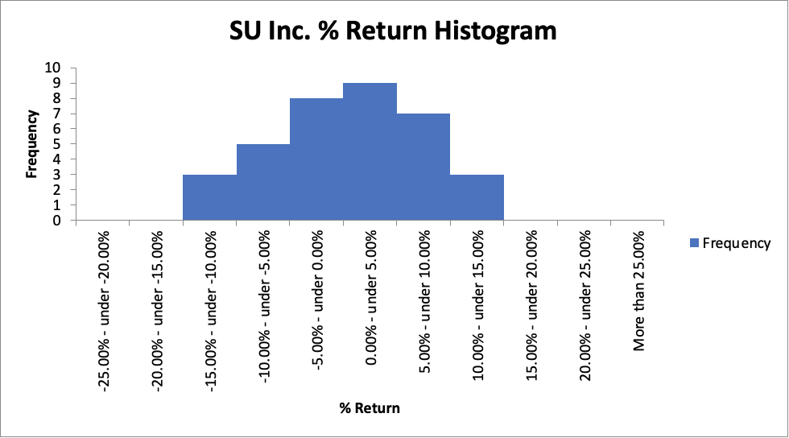
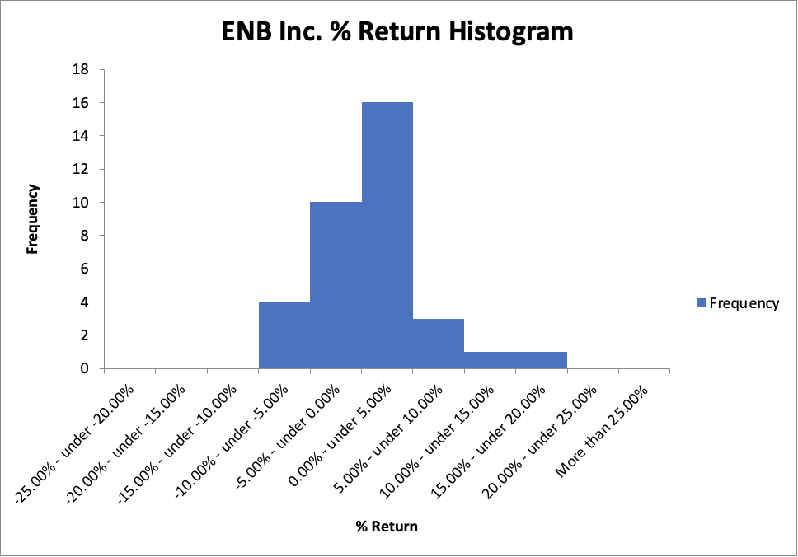
 | Rachel's Data: | SU |  |  | BHC

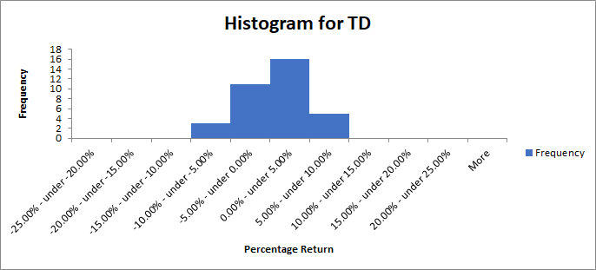
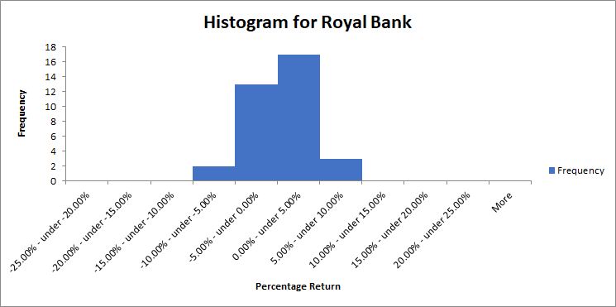
 | Ryan's Data: | TD |  |  | Royal Bank

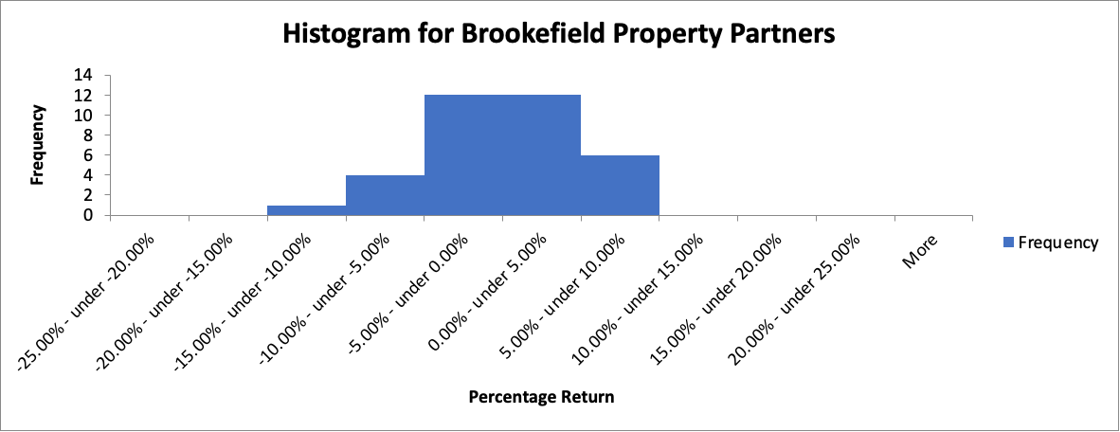
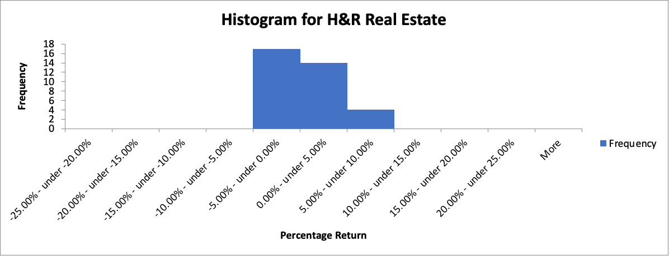
 | Jewel's Data: | Brookefield Property |  |  | H&R Real Estate

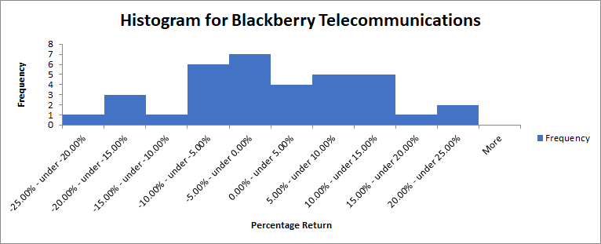
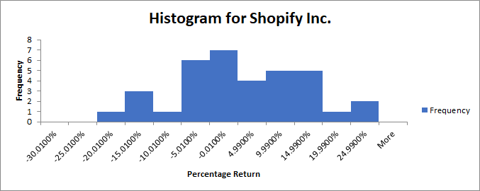
 | Pranil's Data: | BT |  |  | SI

Pranil
Stock 1 - Blackberry Telecommunications |  |  |  |  |  |  |  |  | Stock 2 - Shopify Inc.
Date | Adj. Close | % Returns | Mean | Median | Mode | IQR | Std. Dev. | CV | Date | Adj. Close | % Returns | Mean | Median | Mode | IQR | Std. Dev. | CV
1/1/2017 | 9.18 |  | 0.38% | -0.19% | #N/A | 17.25% | 11.51% | 3038.66% | 1/1/2017 | 66.040001 |  | 6.66% | 7.86% | #N/A | 14.75% | 11.30% | 169.58%
2/1/2017 | 9.23 | 0.54% |  |  |  |  |  |  | 2/1/2017 | 78.870003 | 19.43%
3/1/2017 | 10.3 | 11.59% |  |  |  |  |  |  | 3/1/2017 | 90.709999 | 15.01%
4/1/2017 | 12.75 | 23.79% |  |  |  |  |  |  | 4/1/2017 | 103.720001 | 14.34%
5/1/2017 | 14.28 | 12.00% |  |  |  |  |  |  | 5/1/2017 | 124.720001 | 20.25%
6/1/2017 | 12.96 | -9.24% |  |  |  |  |  |  | 6/1/2017 | 112.599998 | -9.72%
7/1/2017 | 11.69 | -9.80% |  |  |  |  |  |  | 7/1/2017 | 114.889999 | 2.03%
8/1/2017 | 11.57 | -1.03% |  |  |  |  |  |  | 8/1/2017 | 138 | 20.11%
9/1/2017 | 13.95 | 20.57% |  |  |  |  |  |  | 9/1/2017 | 145.119995 | 5.16%
10/1/2017 | 14.12 | 1.22% |  |  |  |  |  |  | 10/1/2017 | 128.259995 | -11.62%
11/1/2017 | 13.92 | -1.42% |  |  |  |  |  |  | 11/1/2017 | 135.160004 | 5.38%
12/1/2017 | 14.04 | 0.86% |  |  |  |  |  |  | 12/1/2017 | 127.110001 | -5.96%
1/1/2018 | 15.6 | 11.11% |  |  |  |  |  |  | 1/1/2018 | 157.039993 | 23.55%
2/1/2018 | 15.57 | -0.19% |  |  |  |  |  |  | 2/1/2018 | 177.5 | 13.03%
3/1/2018 | 14.81 | -4.88% |  |  |  |  |  |  | 3/1/2018 | 160.320007 | -9.68%
4/1/2018 | 13.44 | -9.25% |  |  |  |  |  |  | 4/1/2018 | 172.009995 | 7.29%
5/1/2018 | 15.35 | 14.21% |  |  |  |  |  |  | 5/1/2018 | 192.330002 | 11.81%
6/1/2018 | 12.68 | -17.39% |  |  |  |  |  |  | 6/1/2018 | 191.710007 | -0.32%
7/1/2018 | 12.77 | 0.71% |  |  |  |  |  |  | 7/1/2018 | 181.220001 | -5.47%
8/1/2018 | 13.89 | 8.77% |  |  |  |  |  |  | 8/1/2018 | 189.860001 | 4.77%
9/1/2018 | 14.62 | 5.26% |  |  |  |  |  |  | 9/1/2018 | 212.300003 | 11.82%
10/1/2018 | 12.15 | -16.89% |  |  |  |  |  |  | 10/1/2018 | 181.869995 | -14.33%
11/1/2018 | 11.68 | -3.87% |  |  |  |  |  |  | 11/1/2018 | 202.240005 | 11.20%
12/1/2018 | 9.71 | -16.87% |  |  |  |  |  |  | 12/1/2018 | 188.789993 | -6.65%
1/1/2019 | 10.58 | 8.96% |  |  |  |  |  |  | 1/1/2019 | 221.179993 | 17.16%
2/1/2019 | 11.44 | 8.13% |  |  |  |  |  |  | 2/1/2019 | 249.279999 | 12.70%
3/1/2019 | 13.47 | 17.74% |  |  |  |  |  |  | 3/1/2019 | 275.859985 | 10.66%
4/1/2019 | 12.29 | -8.76% |  |  |  |  |  |  | 4/1/2019 | 325.75 | 18.09%
5/1/2019 | 10.61 | -13.67% |  |  |  |  |  |  | 5/1/2019 | 371.839996 | 14.15%
6/1/2019 | 9.76 | -8.01% |  |  |  |  |  |  | 6/1/2019 | 393.579987 | 5.85%
7/1/2019 | 9.63 | -1.33% |  |  |  |  |  |  | 7/1/2019 | 419.410004 | 6.56%
8/1/2019 | 9.14 | -5.09% |  |  |  |  |  |  | 8/1/2019 | 512.820007 | 22.27%
9/1/2019 | 6.94 | -24.07% |  |  |  |  |  |  | 9/1/2019 | 412.299988 | -19.60%
10/1/2019 | 6.92 | -0.29% |  |  |  |  |  |  | 10/1/2019 | 413 | 0.17%
11/1/2019 | 7.33 | 5.92% |  |  |  |  |  |  | 11/1/2019 | 445.450012 | 7.86%
12/1/2019 | 8.35 | 13.92% |  |  |  |  |  |  | 12/1/2019 | 516.299988 | 15.91%
 | Sum: | 13.25% |  |  |  |  |  |  |  | Sum: | 233.21%
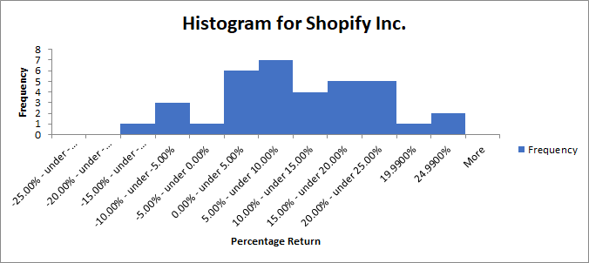
Class Interval |  | Frequency | Mean |  | Histogram | IQR | Std. Dev. | CV | Class Interval |  | Frequency | Mean |  | Histogram | IQR | Std. Dev. | CV
-25.00% - under -20.00% |  | 1 |  |  |  |  |  |  | -25.00% - under -20.00% |  | 0
-20.00% - under -15.00% |  | 3 |  |  |  |  |  |  | -20.00% - under -15.00% |  | 1
-15.00% - under -10.00% |  | 1 |  |  |  |  |  |  | -15.00% - under -10.00% |  | 2
-10.00% - under -5.00% |  | 6 |  |  |  |  |  |  | -10.00% - under -5.00% |  | 5
-5.00% - under 0.00% |  | 7 |  |  |  |  |  |  | -5.00% - under 0.00% |  | 1
0.00% - under 5.00% |  | 4 |  |  |  |  |  |  | 0.00% - under 5.00% |  | 3
5.00% - under 10.00% |  | 5 |  |  |  |  |  |  | 5.00% - under 10.00% |  | 6
10.00% - under 15.00% |  | 5 |  |  |  |  |  |  | 10.00% - under 15.00% |  | 8
15.00% - under 20.00% |  | 1 |  |  |  |  |  |  | 15.00% - under 20.00% |  | 5
20.00% - under 25.00% |  | 2 |  |  |  |  |  |  | 20.00% - under 25.00% |  | 4
More than 25.00% |  | 0 |  |  |  |  |  |  | More than 25.00% |  | 0

